Aula
Essa atividade será util para em caso de precisar atualizar intervalos.
Apresentando:
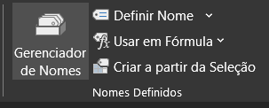

Nele podemos ver todos os intervalos nomeados e também os escopos. Nele há um filtro para o intervalo que deseja visualizar.
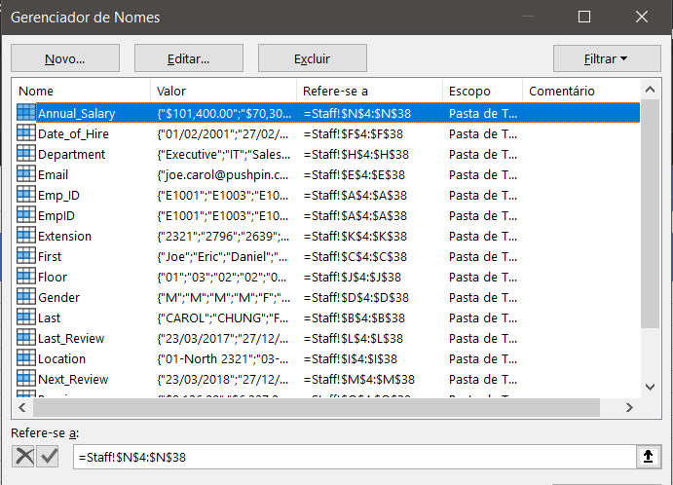

Gerenciando:
>> Exemplo: Como no gerenciador podemos Criar, Editar e Excluir. Veremos que houve uma duplicata com ""EmpID''. EXCLUINDO:

O mesmo vale para EDITAR e CRIAR.

